March Calendar View
 | March 2021 Social Media Marketing Calendar
March 1-6 | Post 1 |  |  | Post 2 |  |  | IMPORTANT DATES Important Days St. Patrick’s Day (3/17) National Pi Day (3/14) First Day of Spring (3/20) Key Themes Spring Cleaning Snow Melt Spring Break/Road Trip (consider car, RV, motorcycle)
Channel | Copy | Image | Link | Copy | Image | Link
Facebook | Thinking about hitting the road in your RV this spring? Make sure you're protected from potential risks like storm damage, theft, or road accident. |  | https://bit.ly/2YCpJ6i
Twitter | Thinking about hitting the road in your RV this spring? Make sure you're protected from potential risks like storm damage, theft, or road accident. |  | https://bit.ly/2YCpJ6i
LinkedIn | Your personality has been a big part of starting and growing your small business. But how do you make sure your business has a defined personality that all employees can help show customers? Forbes has a few great tips. |  | https://bit.ly/3jergZR
Instagram | Thinking about hitting the road in your RV this spring? Make sure you're protected from potential risks like storm damage, theft, or road accident. | Download image from Pixabay for free and link to the article in your bio: https://pixabay.com/photos/motorhome-camper-mountains-van-rv-1206525/ | https://bit.ly/2YCpJ6i
March 7-13 | Post 1 |  |  | Post 2 |  |  | Post 3
Channel | Copy | Image | Link | Copy | Image | Link | Copy | Image | Link
Facebook | Moving some things to storage during your spring cleaning? Check your home, condo, or renter's policy to make sure your belongings in a storage unit are protected in case of theft of damage.
Twitter | Moving some things to storage during your spring cleaning? Check your home, condo, or renter's policy to make sure your belongings in a storage unit are protected in case of theft of damage.
LinkedIn | We all know we need to stay organized with our to-do list at work but what method works best? HBR helps break some methods down. |  | https://bit.ly/3pHoA9I
Instagram | Moving some things to storage during your spring cleaning? Check your home, condo, or renter's policy to make sure your belongings in a storage unit are protected in case of theft of damage. | 
March 14 - 20 | 2021-03-14 |  |  | 2021-03-17 |  |  | 2021-03-20
Channel | Copy | Image | Link | Copy | Image | Link | Copy | Image | Link
Facebook | National Pi Day is the perfect day to slice into your home spring preparations. What are you going to start with? | 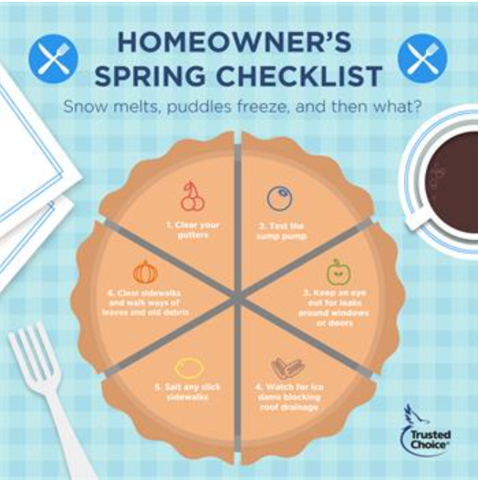 | https://cobrand.iiaba.net/content-to-share/spring-home-maintenance-pie-infograph | Happy St. Patrick's Day! |  |  | Happy first day of Spring! | 
Twitter | National Pi Day is the perfect day to slice into your home spring preparations. What are you going to start with? |  | https://cobrand.iiaba.net/content-to-share/spring-home-maintenance-pie-infograph | Happy St. Patrick's Day! |  |  | Happy first day of Spring!
LinkedIn | n/a |  |  | Happy St. Patrick's Day! |  |  | Happy first day of Spring!
Instagram | National Pi Day is the perfect day to slice into your home spring preparations. What are you going to start with? |  | https://cobrand.iiaba.net/content-to-share/spring-home-maintenance-pie-infograph | Happy St. Patrick's Day! |  |  | Happy first day of Spring!
March 21 - 27 | Post 1 |  |  | Post 2 |  |  | Post 3
Channel | Copy | Image | Link | Copy | Image | Link | Copy | Image | Link
Facebook | Clean the grill? Check. Fix up your deck? Check. Inspect windows and screen doors? Check. Ready for spring! |  | https://bit.ly/3arzQAm | Hitting the road soon? Your RV insurance cost will not only depend on the type of RV but also your driving record. |  | Get link on new site
Twitter | Clean the grill? Check. Fix up your deck? Check. Inspect windows and screen doors? Check. Ready for spring! |  | https://bit.ly/3arzQAm | Hitting the road soon? Your RV insurance cost will not only depend on the type of RV but also your driving record. |  | Get link on new site
LinkedIn | Spring clearning doesn't just have to be about your personal space. Take some time to clean up your passwords and make sure they are secure! |  | https://cobrand.iiaba.net/content-to-share/cybermonth-post-part-ii
Instagram | Clean the grill? Check. Fix up your deck? Check. Inspect windows and screen doors? Check. Ready for spring! | Download image from Pexels for free and link to the article in your bio: https://www.pexels.com/photo/closed-wooden-door-2183865/ | https://bit.ly/3arzQAm | Hitting the road soon? Your RV insurance cost will not only depend on the type of RV but also your driving record. |  | Get link on new site
March 28-31 | Post 1 |  |  | Post Option 2 |  |  | Post 3
Channel | Copy | Image | Link | Copy | Image | Link | Copy | Image | Link
Facebook | Dreaming of your next adventure on your motorcycle? If you have a passenger, it's important to discuss passenger safety ahead of time. |  | https://bit.ly/2NQ78l3
Twitter | Dreaming of your next adventure on your motorcycle? If you have a passenger, it's important to discuss passenger safety ahead of time. |  | https://bit.ly/2NQ78l3
LinkedIn
Instagram | Dreaming of your next adventure on your motorcycle? If you have a passenger, it's important to discuss passenger safety ahead of time. | Download image from Pexels for free and link to the article in your bio: https://www.pexels.com/photo/man-riding-motorcycle-977511/ | https://bit.ly/2NQ78l3

Feb. Calendar View
 | February 2021 Social Media Marketing Calendar
Feb. 1-6 | Post 1 |  |  | Post 2 |  |  | IMPORTANT DATES Important Days - Lunar New Year (02/08) - Valentine's Day (02/14) - President's Day (02/15) - Mardi Gras (02/16) - National Love Your Pet Day (02/20) Key Themes Winter Home and Auto Safety Inclement weather Heart Health Month Black History Month *Note: Check the website mid-February for new Black History Month graphics for social media!
Channel | Copy | Image | Link | Copy | Image | Link
Facebook | Shoveling snow helps to minimize safety risks and keep paths clear. But make sure to do it safely! Too much activity can put strain on the body and cause injury. http://bit.ly/3nqaKXg |  |  | This month we celebrate the accomplishments of strong and gifted African Americans and take a moment to remember their contributions to our nation. Happy Black History Month! |  | https://cobrand.iiaba.net/content-to-share/dr-martin-luther-king-jr-quote-black-history-month-graphic
Twitter | Shoveling snow helps to minimize safety risks and keep paths clear. But make sure to do it safely! Too much activity can put strain on the body and cause injury. http://bit.ly/3nqaKXg |  |  | This month we celebrate the accomplishments of strong and gifted African Americans and take a moment to remember their contributions to our nation. Happy Black History Month! |  | https://cobrand.iiaba.net/content-to-share/dr-martin-luther-king-jr-quote-black-history-month-graphic
LinkedIn | Happiness and productivity go hand and hand! Here are a few tips for increasing the productivity among your employees. http://bit.ly/2MyUd6r |  |  | This month we celebrate the accomplishments of strong and gifted African Americans and take a moment to remember their contributions to our nation. Happy Black History Month! |  | https://cobrand.iiaba.net/content-to-share/dr-martin-luther-king-jr-quote-black-history-month-graphic
Instagram | N/A |  |  | This month we celebrate the accomplishments of strong and gifted African Americans and take a moment to remember their contributions to our nation. Happy Black History Month! |  | https://cobrand.iiaba.net/content-to-share/dr-martin-luther-king-jr-quote-black-history-month-graphic
Feb. 7-13 | Post 1 |  |  | Post 2 |  |  | 12-Feb-21
Channel | Copy | Image | Link | Copy | Image | Link | Copy | Image | Link
Facebook | Buying something special for Valentine's Day? 💖 Talk to an Independent Agent about protecting your special gift. |  | https://cobrand.iiaba.net/content-to-share/jewelry-graphic-2-2020 | Do you know the top homeowner claims that homeowners file for? An independent agent can keep your home protected! Talk to a Trusted Choice independent agent today. | 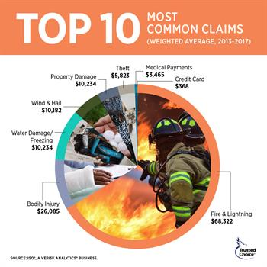 | https://cobrand.iiaba.net/content-to-share/common-homeowner-claims-infographic | Happy Lunar New Year! May this Chinese New Year bring you peace, prosperity and loads of positivity! |  | https://cobrand.iiaba.net/content-to-share/lunar-new-year-graphic
Twitter | Buying something special for Valentine's Day? 💖 Talk to an Independent Agent about protecting your special gift. |  | https://cobrand.iiaba.net/content-to-share/jewelry-graphic-2-2020 | Do you know the top homeowner claims that homeowners file for? An independent agent can keep your home protected! Talk to a Trusted Choice independent agent today. |  | https://cobrand.iiaba.net/content-to-share/common-homeowner-claims-infographic | Happy Lunar New Year! May this Chinese New Year bring you peace, prosperity and loads of positivity! |  | https://cobrand.iiaba.net/content-to-share/lunar-new-year-graphic
LinkedIn | If you have an online or home-based business, it's important to know what business licenses you'll need for smooth operations. Remember, every state has different regulations. http://bit.ly/2LfuYWD |  |  | N/A |  |  | N/A
Instagram | Buying something special for Valentine's Day? 💖 Talk to an Independent Agent about protecting your special gift. |  | https://cobrand.iiaba.net/content-to-share/jewelry-graphic-2-2020 | Do you know the top homeowner claims that homeowners file for? An independent agent can keep your home protected! Talk to a Trusted Choice independent agent today. |  | https://cobrand.iiaba.net/content-to-share/common-homeowner-claims-infographic | Happy Lunar New Year! May this Chinese New Year bring you peace, prosperity and loads of positivity! |  | https://cobrand.iiaba.net/content-to-share/lunar-new-year-graphic
Feb. 14 - 20 | 2021-02-14 |  |  | 2021-02-15 |  |  | 2021-02-16 |  |  | 2021-02-20
Channel | Copy | Image | Link | Copy | Image | Link | Copy | Image | Link | Copy | Image | Link
Facebook | Happy Valentine's Day! Note: Consider adding a personal note about why you love the insurance industry, your agency, or your agents. |  | https://cobrand.iiaba.net/content-to-share/valentines-day-graphic | Happy President's Day. |  | https://cobrand.iiaba.net/content-to-share/presidents-day-graphic | Happy Mardi Gras! |  | https://cobrand.iiaba.net/content-to-share/mardi-gras-graphic | This #NationalPetDay, make sure your pets are protected just as much as the rest of your family! |  | https://cobrand.iiaba.net/content-to-share/pet-insurance-infographic
Twitter | Happy Valentine's Day! Note: Consider adding a personal note about why you love the insurance industry, your agency, or your agents. |  | https://cobrand.iiaba.net/content-to-share/valentines-day-graphic | Happy President's Day. |  | https://cobrand.iiaba.net/content-to-share/presidents-day-graphic | Happy Mardi Gras! |  | https://cobrand.iiaba.net/content-to-share/mardi-gras-graphic | This #NationalPetDay, make sure your pets are protected just as much as the rest of your family! |  | https://cobrand.iiaba.net/content-to-share/pet-insurance-infographic
LinkedIn | Happy Valentine's Day! Note: Consider adding a personal note about why you love the insurance industry, your agency, or your agents. |  | https://cobrand.iiaba.net/content-to-share/valentines-day-graphic | Happy President's Day. |  | https://cobrand.iiaba.net/content-to-share/presidents-day-graphic | N/A |  |  | You've built an amazing small business but have you talked to your Trustedh Choice Independent Insurance Agent about small business insurance lately? https://bit.ly/2I0RkZv
Instagram | Happy Valentine's Day! Note: Consider adding a personal note about why you love the insurance industry, your agency, or your agents. |  | https://cobrand.iiaba.net/content-to-share/valentines-day-graphic | Happy President's Day. |  | https://cobrand.iiaba.net/content-to-share/presidents-day-graphic | Happy Mardi Gras! |  | https://cobrand.iiaba.net/content-to-share/mardi-gras-graphic | This #NationalPetDay, make sure your pets are protected just as much as the rest of your family! |  | https://cobrand.iiaba.net/content-to-share/pet-insurance-infographic
Feb. 21-27 | Post 1 |  |  | Post Option 2 |  |  | Post 3
Channel | Copy | Image | Link | Copy | Image | Link | Copy | Image | Link
Facebook | Keep up with your routine winter home maintenance to avoid roof damage, frozen pipes, and other types of home damage. | Video | https://cobrand.iiaba.net/content-to-share/winter-snow-and-insulation-informative-video | Happy Black History Month! We are grateful for all of the contributions of strong and gifted African Americans across the country. |  | *New Black History Month graphics for social media are available on the member resource website. | Looking to pick up a new heart healthy habit? 💓 Tiny actions are the key to changing your overall behavior and mindset. http://n.pr/3q4ElHv
Twitter | Keep up with your routine winter home maintenance to avoid roof damage, frozen pipes, and other types of home damage. | Video | https://cobrand.iiaba.net/content-to-share/winter-snow-and-insulation-informative-video | Happy Black History Month! We are grateful for all of the contributions of strong and gifted African Americans across the country. |  | *New Black History Month graphics for social media are available on the member resource website. | Looking to pick up a new heart healthy habit? 💓 Tiny actions are the key to changing your overall behavior and mindset. http://n.pr/3q4ElHv
LinkedIn | Don't have enough storage space left for your files? Make the process of storing digital data and file sharing a breeze with these new cloud storage tips and applications. http://bit.ly/39fFbtU |  |  | Happy Black History Month! We are grateful for all of the contributions of strong and gifted African Americans across the country. |  | *New Black History Month graphics for social media are available on the member resource website. | N/A
Instagram | Keep up with your routine winter home maintenance to avoid roof damage, frozen pipes, and other types of home damage. |  | https://cobrand.iiaba.net/content-to-share/winter-snow-and-insulation-informative-video | Happy Black History Month! We are grateful for all of the contributions of strong and gifted African Americans across the country. |  | *New Black History Month graphics for social media are available on the member resource website. | N/A

January Calendar View
 | January 2021 Social Media Marketing Calendar
Jan. 1-2 | 1-Jan-21 |  |  | Post 2 |  |  | IMPORTANT DATES Important Days - New Years Day (1/1) - Martin Luther King Day (1/18) Key Themes Winter Safety Winterizing your home and transportation vehicles Roof maintenance Inclement weather/safety New habits *New MLK Day graphics will be available on the member resource website starting 1/13.
Channel | Copy | Image | Link | Copy | Image | Link
Facebook | Happy New Year! |  | https://cobrand.iiaba.net/content-to-share/happy-new-year | N/A
Twitter | Happy New Year! |  | https://cobrand.iiaba.net/content-to-share/happy-new-year | N/A
LinkedIn | Happy New Year! |  | https://cobrand.iiaba.net/content-to-share/happy-new-year | N/A
Instagram | Happy New Year! |  | https://cobrand.iiaba.net/content-to-share/happy-new-year | N/A
Jan. 3-9 | Post 1 |  |  | Post 2 |  |  | Post 3
Channel | Copy | Image | Link | Copy | Image | Link | Copy | Image | Link
Facebook | Winter is here! Make sure you are prepared for cold weather. | 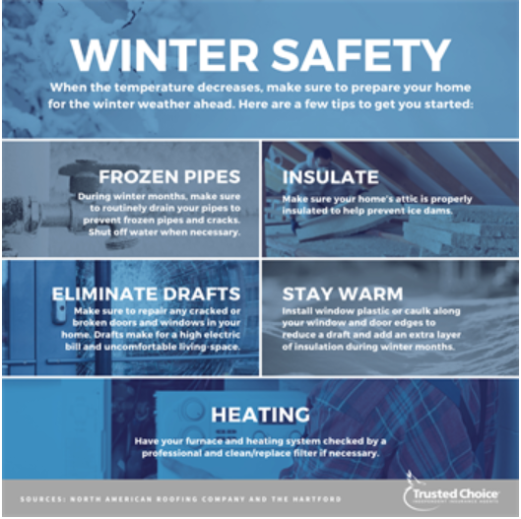 | https://cobrand.iiaba.net/content-to-share/winter-home-safety-infographic | Lighting candles to stay cozy during the long night hours? Don't leave them unattended to avoid fire. | Video/Gif | https://cobrand.iiaba.net/content-to-share/winter-candle-safety | Setting some personal fitness goals for 2021? Here's some apps to get you moving! http://bit.ly/2WCBFEm |  | http://bit.ly/2WCBFEm
Twitter | Winter is here! Make sure you are prepared for cold weather. |  | https://cobrand.iiaba.net/content-to-share/winter-home-safety-infographic | Lighting candles to stay cozy during the long night hours? Don't leave them unattended to avoid fire. | Video/Gif | https://cobrand.iiaba.net/content-to-share/winter-candle-safety | Setting some personal fitness goals for 2021? Here's some apps to get you moving! http://bit.ly/2WCBFEm |  | http://bit.ly/2WCBFEm
LinkedIn | Effective communication in the workplace lends benefits to team members and project management. Utilize your available channels and keep communication direct. http://bit.ly/3gSbW42 |  | http://bit.ly/3gSbW42 | N/A |  |  | N/A
Instagram | Winter is here! Make sure you are prepared for cold weather. |  | https://cobrand.iiaba.net/content-to-share/winter-home-safety-infographic | Lighting candles to stay cozy during the long night hours? Don't leave them unattended to avoid fire. | Video/Gif | https://cobrand.iiaba.net/content-to-share/winter-candle-safety | N/A
Jan. 10-16 | 18-Jan-21 |  |  | Post 2 |  |  | Post 3
Channel | Copy | Image | Link | Copy | Image | Link | Copy | Image | Link
Facebook | Are below freezing temps headed your way? Keep your home safe with these tips. |  | https://cobrand.iiaba.net/content-to-share/winter-home-prep-video | A new year means it's time for a home safety check! Make sure to check your smoke alarm annually. http://bit.ly/3nriCsi |  | http://bit.ly/3nriCsi | Increasing your work outs for 2021? Here's how to get your heart rate up at home. | 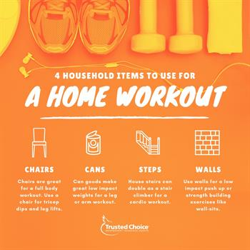 | https://cobrand.iiaba.net/content-to-share/home-exercise-graphic
Twitter | Are below freezing temps headed your way? Keep your home safe with these tips. |  | https://cobrand.iiaba.net/content-to-share/winter-home-prep-video | A new year means it's time for a home safety check! Make sure to check your smoke alarm annually. http://bit.ly/3nriCsi |  | http://bit.ly/3nriCsi | Increasing your work outs for 2021? Here's how to get your heart rate up at home. |  | https://cobrand.iiaba.net/content-to-share/home-exercise-graphic
LinkedIn | Keeping employees engaged can boost morale and productivity. Consider new training opportunities and employee recognition. http://bit.ly/37sRsMe |  | http://bit.ly/37sRsMe | N/A |  |  | N/A
Instagram | Are below freezing temps headed your way? Keep your home safe with these tips. |  | https://cobrand.iiaba.net/content-to-share/winter-home-prep-video | N/A |  |  | Increasing your work outs for 2021? Here's how to get your heart rate up at home. |  | https://cobrand.iiaba.net/content-to-share/home-exercise-graphic
Jan. 17-23 | Monday, December 21 |  |  | Post Option 2 |  |  | Friday, December 25
Channel | Copy | Image | Link | Copy | Image | Link | Copy | Image | Link
Facebook | On this day, we honor the contributions that Dr. King has made to our country. Happy Martin Luther King Jr. Day! |  | New MLK Day graphics will be available on the member resource website starting 1/13. | Prepare your lawn this winter for a beautiful spring with this guide. https://low.es/2WAa5aR |  | https://low.es/2WAa5aR | Escaping to a warmer climate in your RV this winter? Make sure your ride is protected. | Video | https://cobrand.iiaba.net/content-to-share/rv-risks-video
Twitter | On this day, we honor the contributions that Dr. King has made to our country. Happy Martin Luther King Jr. Day! |  | New MLK Day graphics will be available on the member resource website starting 1/13. | Prepare your lawn this winter for a beautiful spring with this guide. https://low.es/2WAa5aR |  | https://low.es/2WAa5aR | Escaping to a warmer climate in your RV this winter? Make sure your ride is protected. | Video | https://cobrand.iiaba.net/content-to-share/rv-risks-video
LinkedIn | On this day, we honor the contributions that Dr. King has made to our country. Happy Martin Luther King Jr. Day! |  | New MLK Day graphics will be available on the member resource website starting 1/13. | n/a |  |  | N/A
Instagram | On this day, we honor the contributions that Dr. King has made to our country. Happy Martin Luther King Jr. Day! |  | New MLK Day graphics will be available on the member resource website starting 1/13. | N/A |  |  | Escaping to a warmer climate in your RV this winter? Make sure your ride is protected. | Video | https://cobrand.iiaba.net/content-to-share/rv-risks-video
Jan. 24-30 | Post 1 |  |  | Post 2
Channel | Copy | Image | Link | Copy | Image | Link
Facebook | Trying to lower the cost of your homeowners insurance? A few house editions could help cut costs. |  | https://cobrand.iiaba.net/content-to-share/features-to-lower-homeowners-insurance-cost-infogrpahic | Is your roof prepped for cold weather? These tips can help you keep it safe. http://bit.ly/37soDiE | 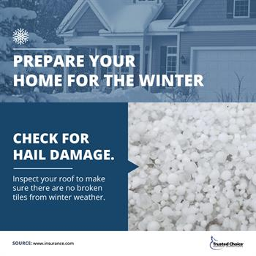 | https://cobrand.iiaba.net/content-to-share/hail-winter-home-damage-infographic
Twitter | Trying to lower the cost of your homeowners insurance? A few house editions could help cut costs. |  | https://cobrand.iiaba.net/content-to-share/features-to-lower-homeowners-insurance-cost-infogrpahic | Is your roof prepped for cold weather? These tips can help you keep it safe. http://bit.ly/37soDiE |  | https://cobrand.iiaba.net/content-to-share/hail-winter-home-damage-infographic
LinkedIn | Small steps can yield great results. Using a few of these helpful data protection tips can aid you in protecting digital business data. http://bit.ly/2FlYaYT |  |  | N/A
Instagram | Trying to lower the cost of your homeowners insurance? A few house editions could help cut costs. |  | https://cobrand.iiaba.net/content-to-share/features-to-lower-homeowners-insurance-cost-infogrpahic | N/A

